Guidelines
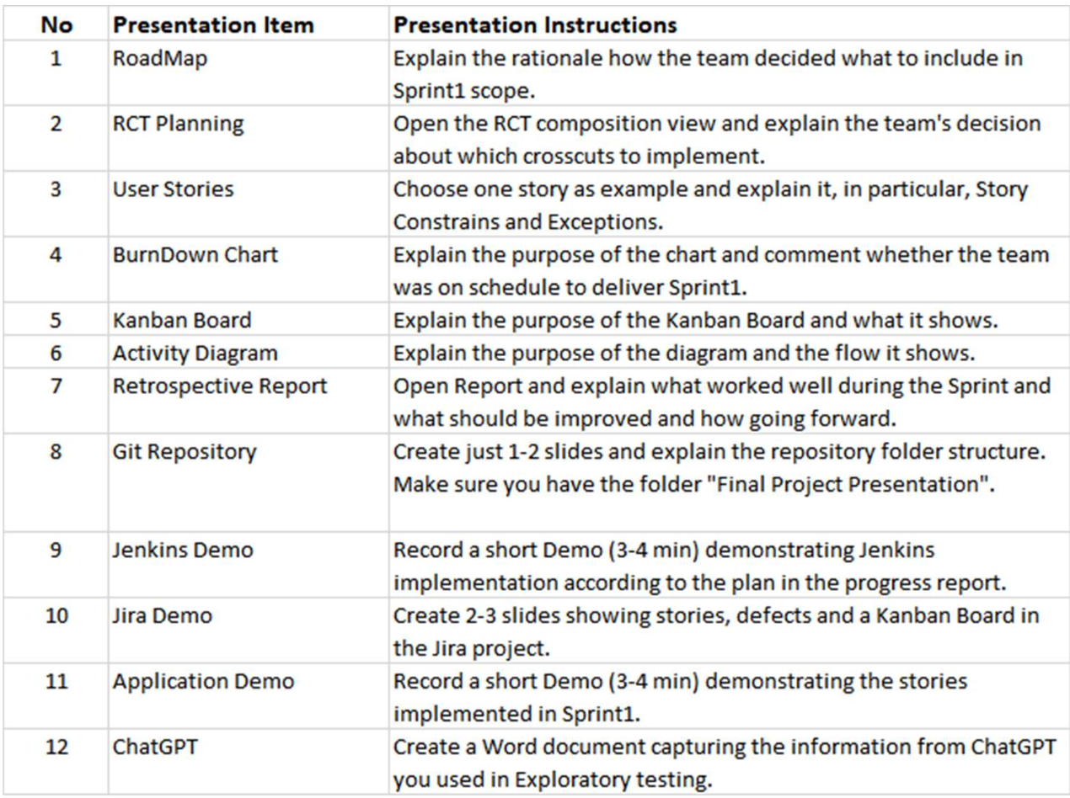
ItemNo | Presentation Item | Presenter
1 | Road Map | Dhruv
2 | RCT Planning | Riddhi
3 | User Stories | Divy
4 | Burndown Chart | Nand
5 | Kanban Board | Anitha
6 | UML: Activity Diagram | Riddhi
7 | Retrospective Report | Surmed
8 | Git | Thilak
9 | Jenkins | Thilak
10 | Jira | Thilak
11 | Application Demo | Thilak
12 | ChatGPT | Deepak

